Sheet1
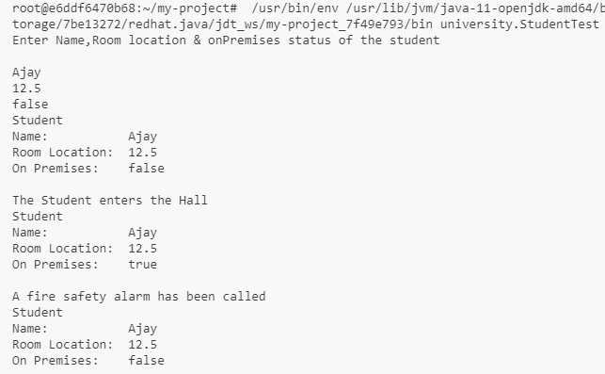
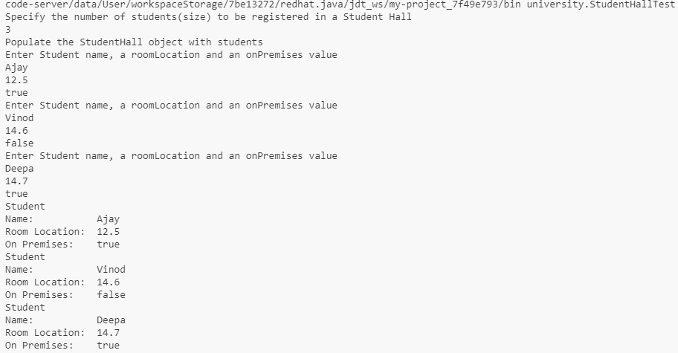
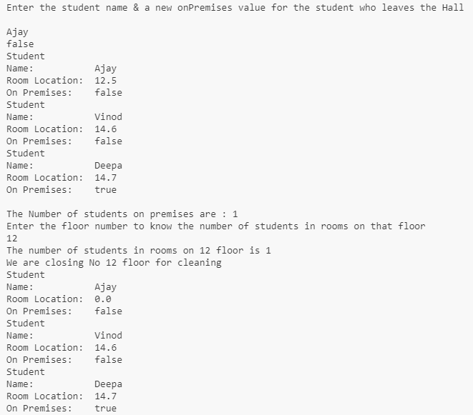
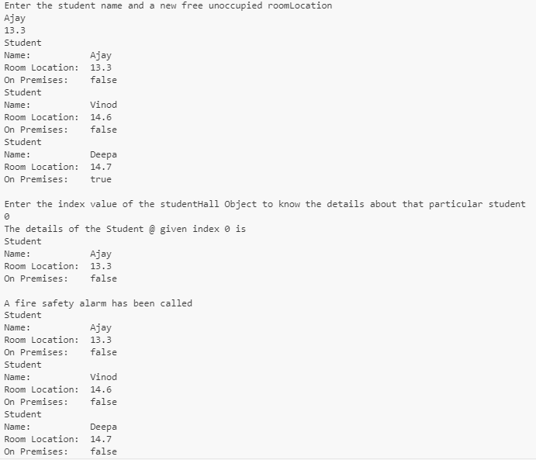
Name of Educator | Nakul H Y
Project title | Student Hall App
Tasks listed in your Educator's template | Objectives listed in your educator's template | Outcomes
1)Create a test script file (StudentTest.java) to test the Student class. | Run StudentTest class | Student class will be Tested
2) Create a test script file (StudentHallTest.java) to test the StudentHall class. | Run StudentHallTest class | StudnetHall class will be Tested

Screenshot of output1(StudentTest class) |  | Screenshot of output2(StudentHallTest class)

